Sheet1
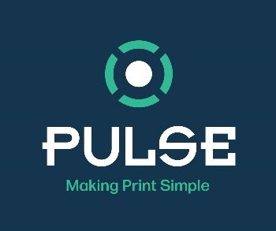
 | PANTONE Warm Gray 2 C | Anilox | 6v | Ink Range |  | PureTone FPC
 |  | Best Match Prediction ΔE | 0.03 |  |  | Tray Volume | 0 | Kg
 | Quantity required |  | 1 | KG |  | Linear Metres | 1000
 |  |  |  |  |  | Web Width | 1000 | mm
 | PT121-102 Rubine | 1.47 | % | 15 | g | Square Meters | 1000
 | PT121-304 Yellow | 1.83 | % | 18 | g | % Coverage | 100
 | PT121-501 Process Blue | 1.17 | % | 12 | g | Anilox Volume | 6 | cm³/m²
 | PT121-002 Extender | 95.53 | % | 955 | g | Ink Required | 1.80 | KG

